Units_Defined
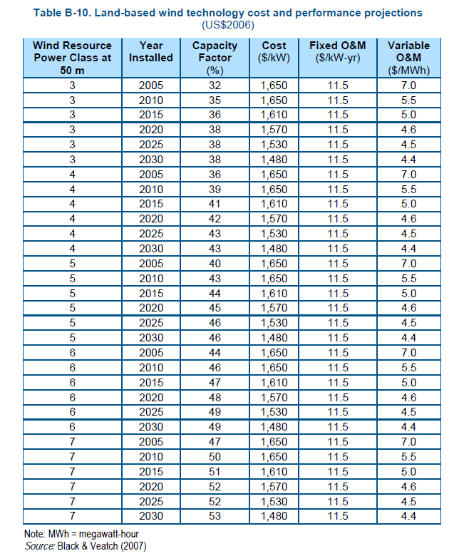
Full Load Hr Range | Capacity Factor Range | Capacity Factor as Defined in "20% Wind Energy by 2030"* | Wind Class (at 50 m hub height)
from IMAGE model | (Equivalent Capcity Factor) | (see table B.10 to the right)
(# of hours per year that available wind resource would allow turbines to operate at full capacity… min = 0, max = 8760) | (full load hrs/8760 hrs … i.e. if full load hours was equal to 8760, capacity factor would be 100%!) | (low end of range for 2005 installations; high end for 2010 installations)
0 - 438 | 0 - 5%
439 - 876 | 5 - 10%
877 - 1314 | 10 - 15%
1315 - 1752 | 15 - 20%
1753 - 2190 | 20 - 25%
2191 - 2628 | 25 - 30%
2629 - 3066 | 30 - 35% | 32 - 35% | 3
3067 - 3504 | 35 - 40% | 36 - 39% | 4
3505 - 3942 | 40 - 45% | 40 - 43% | 5
3943 - 4000 | 45 - 46% | 44 - 46% | 6
3944 - 4000 | 45 - 46% | 47 - 50% | 7

* NOTE: Numbers from Table B-10 of 20% Wind Energy by 2030; shown to the right & available: http://www.20percentwind.org/report/Appendix%20B_Assumptions_Used_for_Wind_Deployment_System_Model.pdf

